Sheet1
Timing cover planarity estimation

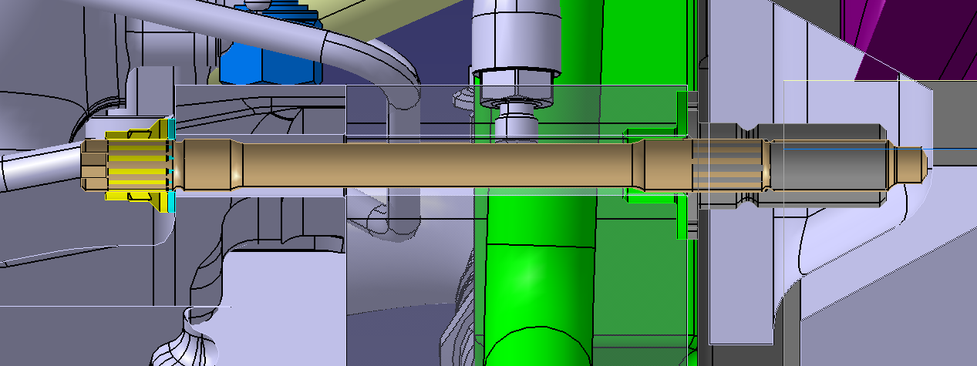
 | Minimum material | Maximum material
Monocoque | -0.1 | 0.1
Threaded bush | -0.02 | 0.02
Engine top Hat | -0.02 | 0.02
Timing cover | -0.1 | 0.1
Total | -0.24 | 0.24

